Solution Identification
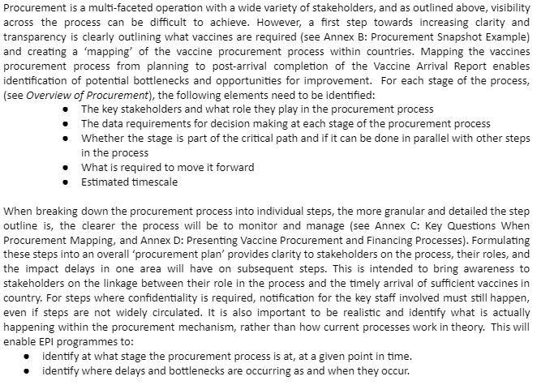
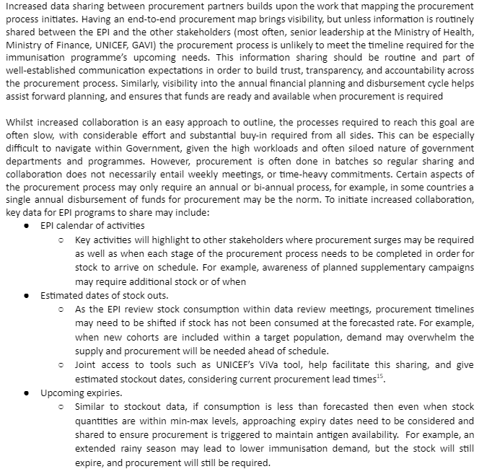
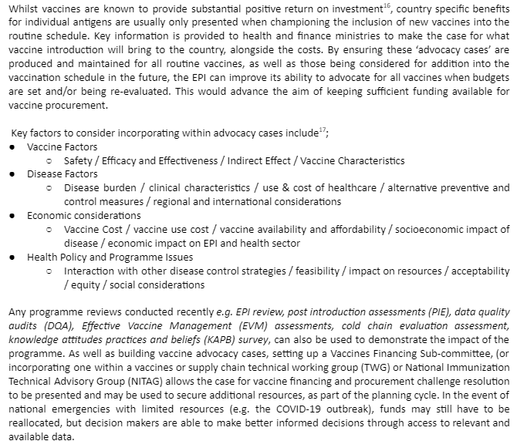
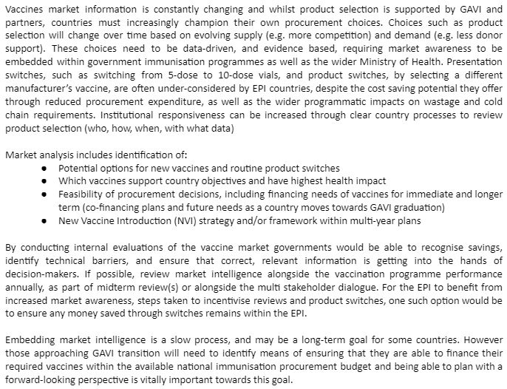
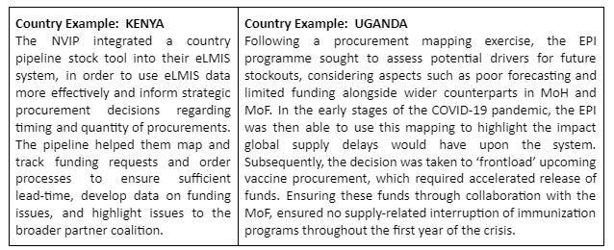
Vaccine Procurement Diagnostic Toolkit
Solution Identification (Use to refer to resources for identifying solutions for each gap as well as keeping track on implmentation)

 | Solution Tracker

 | Procurement functions | Key steps | Gaps identified (examples) | Solution identified | Next steps | Current status | Primary contact | Timeline

 | Supply planning | Forecasting | Archaic vaccine estimation processes
 |  |  | Mismatch between the parameters used for forecasting in-country and Gavi estimates included in decision letters
 |  | Budgeting | Low allocation of state budget to health care sector
 |  |  | No Budget advocacy
 |  | Fund mobilization and Disbursement | Low information on EPI funds for regular monitoring
 |  |  | Low synchronization between fund release and stock resupply
 | Purchasing | UNICEF procurement | High variations in agreed cost estimates
 |  |  | Delay in processing transfer of funds to UNICEF
 | Receipt | In-country delivery of goods | No Vaccine Arrival reports shared with supplier/UNICEF
 |  |  | Vaccines do not arrive on time
 |  |  | Shipments arrive in multiple batches that do not align with the utilization pattern in-country (without country engagement before making the decision to split shipments)
 | Sourcing | Strategic sourcing & framework agreements | UNICEF/Supplier does not have an accurate estimate of requirement
 |  |  | Country pays higher cost than others in the same category

 | Resources to Identify Solutions

 | CHAI's Vaccine Procurement SFA Provides multiple solutions |  |  | Note: For a deepdive into solutions and case studies, refer to CHAI's Vaccine Procurement & Data Use study (linked in blog)

 | Root Problems > | People (Lack of coordination between stakeholders) |  |  | Process (Unclear Procurement Processes) |  |  | Finances (Absence of Vaccine Advocacy Information) | Data Use (No Review of Past Procurement)
 | Potential Interventions | Map Procurement Processes
 |  | Improve data sharing between stakeholders
 |  |  |  |  | Vaccine Advocacy
 |  |  |  |  |  |  |  | Increase Market Intelligence

 | Mapping Procurement Processes |  |  |  |  |  |  | Improve Data Sharing Between Stakeholders |  | Vaccine Advocacy | Increase Market Intelligence

