3b. Humidifiers
 |  | Vendor
 |  | Model
Product | Spec category | Specs, WHO-UNICEF | Meet requirement? | Type of supporting documents | Comments
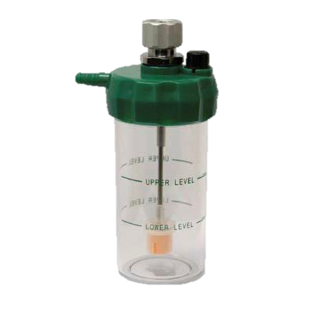 Humidifier | Description | A device designed to prevent the drying of airway passages associated with the inhalation of oxygen (O2) by adding water vapour to the dry gas as it is passed through, or more seldom, over water. It typically consists of a graduated container (reservoir) for the water, a top piece that functions as a detachable lid (typically a screw lid with a gastight seal), and a tube that protrudes into the water to divert the gas below the water level. This device, commonly known as a bubble humidifier, does not heat the water. It has connectors: 1) one (e.g. a winged nut) that connects to an oxygen therapy flowmeter; and 2) one to which the patient tubing is connected. This is a reusable device. (SOURCE: GMDN 35113) | N/A | N/A
 | Technical | Reusable humidifier for oxygen therapy and ventilation/anaesthesia inspiratory lines.
 |  | Non-heated humidifier - ambient temperature functionality.
 |  | Bubble-through humidification system.
 |  | Unbreakable or shatter resistant.
 |  | Transparent humidification bottle
 |  | Graduated, graduation shall show minimum and maximum water level.
 |  | Humidification chamber working volume at least 150 mL, not greater than 500 mL.
 |  | Detachable metal or rigid durable polymer cap with gas connectors.
 |  | Pressure relief safety valve, ≥ 14 kPa (0.1 bar, 2 psi) pressure rating.
 |  | DISS connectors for inlet.
 |  | 6 mm barbed connector for outlet.
 |  | Flow rate capacity up to 15 L/min.
 |  | Must be capable of disinfection.
 |  | Materials, all to be certified for medical use:
 |  | ·Cap and connectors made of brass/steel/other biocompatible metal or polymer
 |  | ·Bottle and tubes made of polypropylene, polycarbonate or equivalent biocompatible plastic/polymer
 |  | ·Pressure valve made of brass chromium plated or equivalent metal
 |  | Supplier must define decontamination procedure.
 | Warranty | Min. 1 year (ideal 2)
 | Standards | ISO 13485 (medical device QMS)
 | Regulatory | CE
 |  | FDA
 | Product performance standards | ISO 15001 Anaesthetic and respiratory equipment – Compatibility with oxygen.
 |  | ISO 15223-1 Medical devices – Symbols to be used with medical device labels, labelling and information to be supplied – Part 1: General requirements.
 |  | ISO 18562 Biocompatibility evaluation of breathing gas pathways in healthcare applications.
 |  | ISO 18562-1 Biocompatibility evaluation of breathing gas pathways in healthcare applications – Part 1: Evaluation and testing within a risk management process.
 | Packaging | Name and/or trade mark and address of the manufacturer.
 |  | Product name.
 |  | Product reference.
 |  | Type of product and main characteristics.
 |  | Performance testing information against the mentioned standards.
 |  | Lot number prefixed by the word "LOT" (or equivalent harmonised symbol).
 |  | Expiry date by year and month, prefixed by the word "EXP" (or equivalent harmonised symbol).
 |  | Information for particular storage conditions (temperature, pressure, light, humidity, etc.), as appropriate (or equivalent harmonised symbol), if applicable.
 |  | Information for handling, if applicable (or equivalent harmonised symbol).
 |  | If the packaging is not transparent, it must bear a diagram (preferably actual size) showing the essential parts of the product and indicating the position of the product in the packaging.
 |  | Gross Weight.
 |  | Cubic Measurement.
 |  | All indicated at least in English.

